Cost Comparison
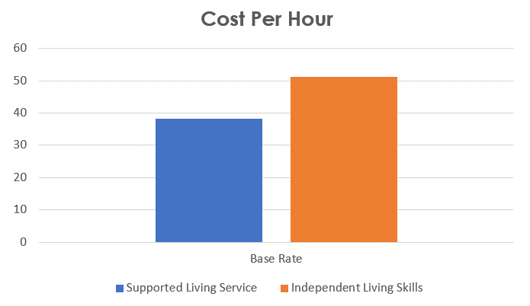
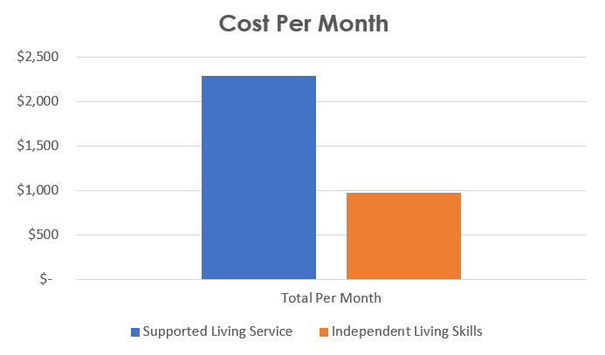
Fixing the Rate Study Mismatch |  |  |  |  | Step | ❹
Cost Comparison: ILS costs less per month than SLS

Example of Cost Increases When ILS Clients Shift to SLS Services |  |  |  |  |  |  | Even assuming ILS service users switching to SLS services only use one third of the average hours used by SLS clients, these SLS services would still cost 136% more that ILS services. Even when CCLN's proposed rate increase is included.
 | Hours Per Month | Base Rate | Total Per Month | Total Per Year | Per 100 Persons | Per 1000 Persons
Supported Living Service | 60 | 38.25 | $2,295 | $27,540 | $2,754,000 | $27,540,000
Independent Living Skills | 19 | $51.19 | $973 | $11,671 | $1,167,132 | $11,671,320
Change in Hours & Dollars | 41 | $(12.94) | $1,322 | $15,869 | $1,586,868 | $15,868,680
Percent Increase Change | 216% | -25% | 136% | 136% | 136% | 136%

Actual Costs 2021* |  |  |  |  |  |  | This data from the Legislative Analyst Office shows how the average SLS service per individual is nine times as expensive than ILS. When persons with IDD can learn independent living skills and receive that training, costs go down and quality of life goes up.
 | Total Price | Persons Served | Cost Per Person
Supported Living Services | $853,858,000 | 13,040 | $65,480
Independent Living Skills | $142,309,000 | 19,795 | $7,189
Additional Cost Per Person for SLS vs. ILS |  |  | $58,291

*LAO Correspondence

The cost of ILS is higher per hour, but lower overall due to the small numbers of hours ILS clients use each month.

Burns & Assoc Data
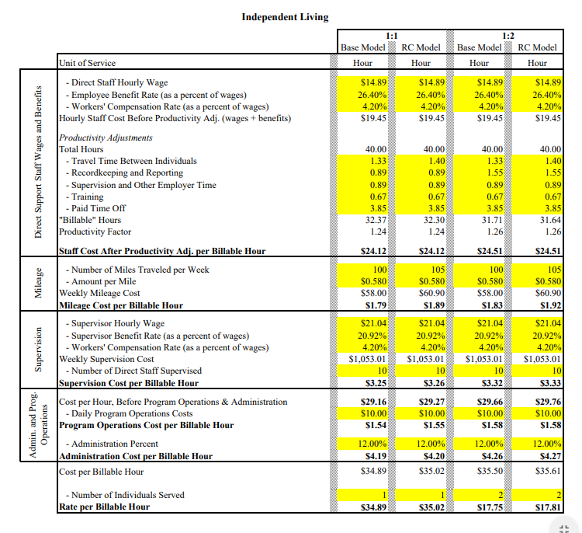
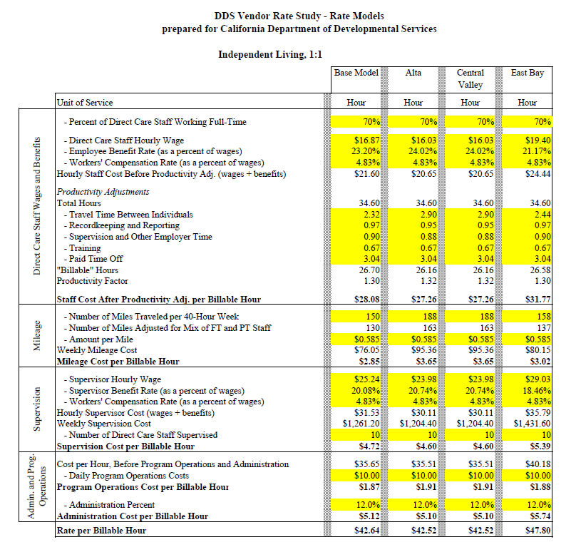
Fixing the Rate Study Mismatch
Data from the Rate Study for Reference

 | Original Rate Study Calculation | 2022 Revised Rate Study Calculation
 |  | Page 79

